Sheet1
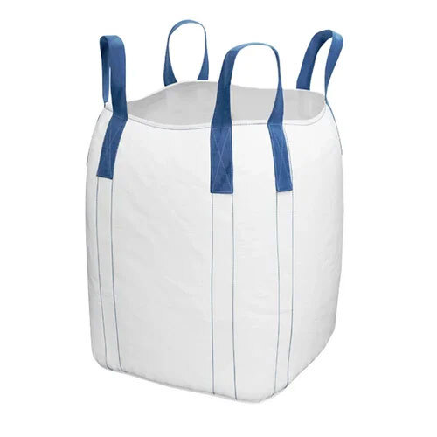
Manufactured from 100% virgin polymer which is fabricated into a circular woven polypropylene material.
Eight reinforcing sections are woven into the fabric on the loom so that it may be sewn onto a square foundation with four corners.
Assembled with cross-corner handles for versatility.
A tubular body design with a section of polypropylene material attached to the top and bottom panel serves as an ideal for hygroscopic materials.
Width varies from 90cm to 100cm; can be customized to suit individual requirements.
Suitable for various filling and discharge options
Easily liftable and manipulated with a forklift
SF (safety factor): 5:1 or 6:1
SWL (safe working load): 500kg to 2500kg.
What are the common uses of circular or tubular bag?
They are primarily used to store:
Chemicals
Foodstuffs
Grain
Beans
Cement
Minerals
Sugar
Clay
Fertilizers
Dyes
Salt
Seed
Flour
Resins
Nuts
Rice
Detergents
Plastics
Pharmaceuticals
Refractory products
Inquire Now!
What are the advantages of circular bulk bags?
The key advantages of circular bulk bag are:
Resistance at Low Temperatures
Pharmaceutical and Food Grade.
Release merchandise from the bag's bottom remotely, without removing the bag from the ground.

